Comparison
HOW TO DETERMINE WHICH SHARE CLASS TO PURCHASE

BLNDX Net Expense Ratio | 1.30% | The net expense ratio is automatically deducted from gross returns on a daily basis. Any returns for BLNDX or REMIX that an investor sees is net of these expenses. |  | RESULTS
REMIX Net Expense Ratio | 1.55% |  | BLNDX | BLNDX relative cost estimate | 1.43%
 |  |  | REMIX | REMIX relative cost estimate | 1.55%
Change the values highlighted in pink.

Transaction Fee | $25.00 | Transaction fees are determined by the brokerage platform and typically only apply to BLNDX.
Estimated Hold Period (years) | 4.00 | The estimated holding period impacts the estimated cost because as time goes on the lower net expense ratio for BLNDX will offset the initial cost of a transaction fee.
Trade Size | $5,000.00 | Usually this is the number that determines which share class should be used. Please keep in mind that some brokerage firms require a higher minimum investment for BLNDX.

Estimated Cost Comparison
BLNDX | 1.43%
REMIX | 1.55%

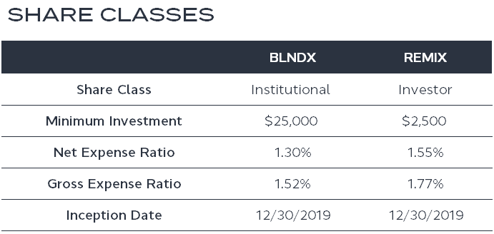

The only fees an investor will pay Standpoint is the net expense ratio which is 1.30% for BLNDX and 1.55% for REMIX. BLNDX has a gross expense ratio of 1.52% but Standpoint is contractually obligated through February 28, 2024 to pay any expenses above 1.24% so that shareholders of the fund do not experience that expense drag. Similarly, REMIX has a gross expense ratio of 1.77% for which Standpoint is contractually obligated through February 28, 2024 to pay any expenses above 1.49% for the same reasons. We plan to renew the expense limitation contract annually; therefore we do not expect the net expense ratio for either share class to change meaningfully.

Investors should carefully consider the investment objectives, risks, and charges and expenses of the Fund before investing. The prospectus contains this and other information about the Fund, and it should be read carefully before investing. Investors may obtain a copy of the prospectus by calling (866) 738-1128 or clicking the link above.

The Standpoint Multi-Asset Fund is distributed by Ultimus Fund Distributors, LLC.

Ultimus Fund Distributors, LLC. is not affiliated with the above broker dealer firms.

IMPORTANT RISK INFORMATION

Investing in underlying investment companies, including money market funds and ETFs, exposes the Fund to the investment performance (positive or negative) and risks of the investment companies. ETFs are subject to additional risks, including the risk that an ETF’s shares may trade at a market price that is above or below its NAV. The Fund will indirectly bear a portion of the fees and expenses of the underlying fund in which it invests, which are in addition to the Fund’s own direct fees and expenses.

The successful use of futures contracts draws upon the Adviser’s skill and experience with respect to such instruments and are subject to special risk considerations. The primary risks associated with the use of futures contracts are (a) the imperfect correlation between the change in market value of the instruments held by the Fund and the price of the forward or futures contract; (b) possible lack of a liquid secondary market for a forward or futures contract and the resulting inability to close a forward or futures contract when desired; (c) losses caused by unanticipated market movements, which are potentially unlimited; (d) the Adviser’s inability to predict that the counterpart will default in the performance of its obligations; and (f) if the Fund insufficient cash, it may have to sell securities from its portfolio to meet daily variation margin requirements, and the Fund may have to sell securities at a time when it may be disadvantageous to do so.

Foreign investing involves risks not typically associated with U.S. investments, including adverse fluctuations in foreign currency values, adverse political, social and economic developments, less liquidity, greater volatility, less developed or less efficient trading markets, political instability, and differing auditing and legal standards. 16538299-UFD-03/06/2023

